Customer count
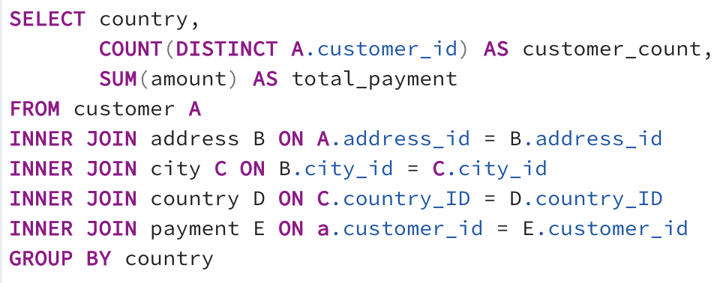
country | customer_count | total_payment
Afghanistan | 1 | 67.82
American Samoa | 1 | 47.85
Anguilla | 1 | 99.68
Armenia | 1 | 118.75
Bahrain | 1 | 108.76
Brunei | 1 | 107.66
Chad | 1 | 122.72
Czech Republic | 1 | 132.72
Estonia | 1 | 105.72
Ethiopia | 1 | 91.77
Faroe Islands | 1 | 96.76
Finland | 1 | 78.79
French Guiana | 1 | 97.8
Gambia | 1 | 114.73
Greenland | 1 | 119.72
Holy See (Vatican City State) | 1 | 146.68
Hong Kong | 1 | 104.76
Hungary | 1 | 111.71
Iraq | 1 | 111.73
Kuwait | 1 | 106.75
Liechtenstein | 1 | 99.74
Lithuania | 1 | 63.78
Madagascar | 1 | 92.79
Malawi | 1 | 121.73
Moldova | 1 | 127.66
Nauru | 1 | 143.7
Nepal | 1 | 93.83
New Zealand | 1 | 85.77
North Korea | 1 | 107.71
Runion | 1 | 211.55
Saint Vincent and the Grenadines | 1 | 64.82
Senegal | 1 | 95.76
Slovakia | 1 | 80.77
Sri Lanka | 1 | 103.73
Sweden | 1 | 139.67
Tonga | 1 | 64.84
Tunisia | 1 | 73.78
Turkmenistan | 1 | 126.74
Tuvalu | 1 | 93.78
Virgin Islands, U.S. | 1 | 121.69
Zambia | 1 | 121.7
Angola | 2 | 187.55
Azerbaijan | 2 | 198.53
Belarus | 2 | 271.36
Bolivia | 2 | 178.56
Bulgaria | 2 | 194.52
Cambodia | 2 | 179.51
Cameroon | 2 | 186.49
Congo, The Democratic Republic of the | 2 | 168.58
French Polynesia | 2 | 205.52
Greece | 2 | 204.54
Kazakstan | 2 | 192.51
Kenya | 2 | 245.49
Latvia | 2 | 249.43
Myanmar | 2 | 179.53
Oman | 2 | 161.56
Puerto Rico | 2 | 224.48
Romania | 2 | 218.42
Sudan | 2 | 202.51
Yugoslavia | 2 | 233.49
Algeria | 3 | 349.18
Austria | 3 | 284.3
Bangladesh | 3 | 353.19
Chile | 3 | 303.34
Dominican Republic | 3 | 304.26
Ecuador | 3 | 369.18
Malaysia | 3 | 330.23
Morocco | 3 | 274.35
Mozambique | 3 | 315.25
Paraguay | 3 | 273.4
Switzerland | 3 | 248.41
Tanzania | 3 | 322.22
Thailand | 3 | 401.08
United Arab Emirates | 3 | 305.25
France | 4 | 334.12
Israel | 4 | 379.13
Peru | 4 | 407.01
Yemen | 4 | 473.93
Canada | 5 | 559.7
Netherlands | 5 | 557.73
Pakistan | 5 | 473.84
Saudi Arabia | 5 | 452.94
South Korea | 5 | 527.77
Spain | 5 | 513.8
Colombia | 6 | 661.54
Egypt | 6 | 659.48
Ukraine | 6 | 675.53
Vietnam | 6 | 676.45
Germany | 7 | 741.24
Italy | 7 | 753.26
Venezuela | 7 | 632.43
Iran | 8 | 877.96
Poland | 8 | 786.16
United Kingdom | 9 | 850.96
Taiwan | 10 | 1155.1
South Africa | 11 | 1069.46
Argentina | 13 | 1298.8
Nigeria | 13 | 1314.92
Indonesia | 14 | 1352.69
Turkey | 15 | 1498.49
Philippines | 20 | 2219.7
Brazil | 28 | 2919.19
Russian Federation | 28 | 2765.62
Mexico | 30 | 2984.82
Japan | 31 | 3122.51
United States | 36 | 3685.31
China | 53 | 5251.03
India | 60 | 6034.78

Revenue per category
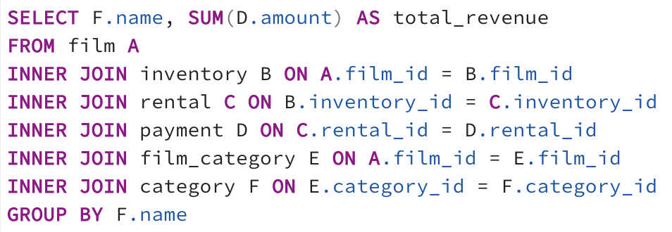
name | total_revenue
Sports | 4892.19
Sci-Fi | 4336.01
Animation | 4245.31
Drama | 4118.46
Comedy | 4002.48
New | 3966.38
Action | 3951.84
Foreign | 3934.47
Games | 3922.18
Family | 3782.26
Documentary | 3749.65
Horror | 3401.27
Classics | 3353.38
Children | 3309.39
Travel | 3227.36
Music | 3071.52
Thriller | 47.89

Top 10 movies
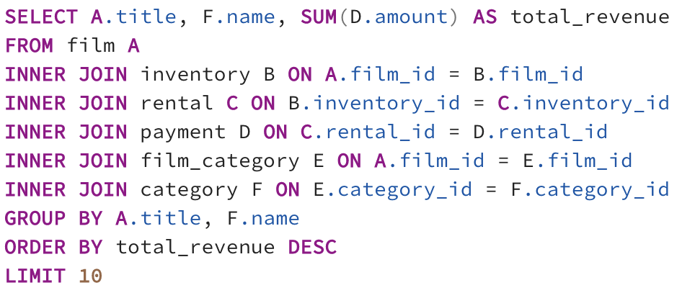
title | name | total_revenue
Telegraph Voyage | Music | 215.75
Zorro Ark | Comedy | 199.72
Wife Turn | Documentary | 198.73
Innocent Usual | Foreign | 191.74
Hustler Party | Comedy | 190.78
Saturday Lambs | Sports | 190.74
Titans Jerk | Sci-Fi | 186.73
Harry Idaho | Drama | 177.73
Torque Bound | Drama | 169.76
Dogma Family | Animation | 168.72

Bottom 10 movies
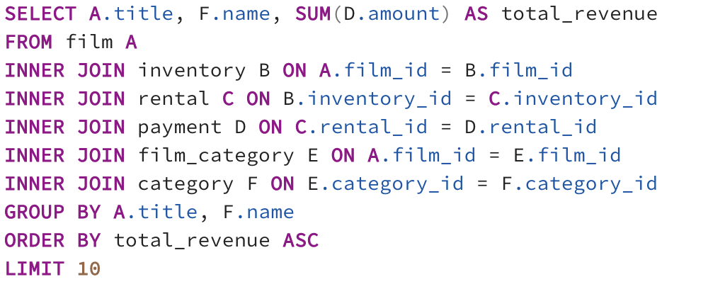
title | name | total_revenue
Texas Watch | Horror | 5.94
Oklahoma Jumanji | New | 5.94
Duffel Apocalypse | Documentary | 5.94
Freedom Cleopatra | Comedy | 5.95
Rebel Airport | Music | 6.93
Young Language | Documentary | 6.93
Cruelty Unforgiven | Classics | 6.94
Treatment Jekyll | Drama | 6.94
Lights Deer | Classics | 7.93
Stallion Sundance | Sci-Fi | 7.94

Revenue per country
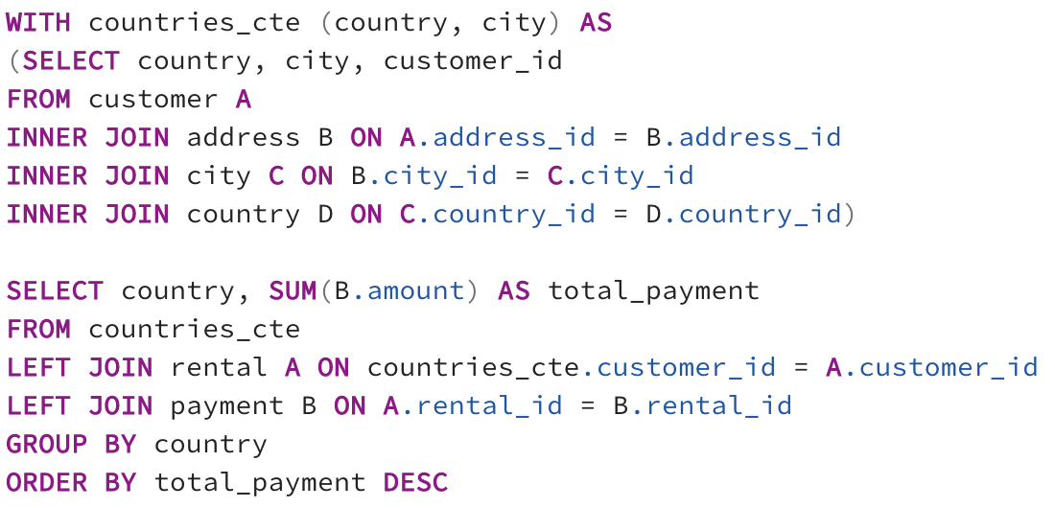
country | total_payment
India | 6032.79
China | 5247.04
United States | 3694.27
Japan | 3121.52
Mexico | 2984.82
Brazil | 2919.19
Russian Federation | 2765.62
Philippines | 2219.7
Turkey | 1498.49
Indonesia | 1352.69
Nigeria | 1314.92
Argentina | 1298.8
Taiwan | 1155.1
South Africa | 1069.46
Iran | 877.96
United Kingdom | 848.97
Poland | 786.16
Italy | 753.26
Germany | 741.24
Vietnam | 676.45
Ukraine | 675.53
Colombia | 661.54
Egypt | 659.48
Venezuela | 632.43
Canada | 559.7
Netherlands | 557.73
South Korea | 527.77
Spain | 513.8
Yemen | 473.93
Pakistan | 473.84
Saudi Arabia | 452.94
Peru | 407.01
Thailand | 401.08
Israel | 379.13
Ecuador | 369.18
Bangladesh | 353.19
Algeria | 349.18
France | 334.12
Malaysia | 330.23
Tanzania | 322.22
Mozambique | 315.25
United Arab Emirates | 305.25
Dominican Republic | 304.26
Chile | 303.34
Austria | 284.3
Morocco | 274.35
Paraguay | 273.4
Belarus | 271.36
Latvia | 249.43
Switzerland | 248.41
Kenya | 245.49
Yugoslavia | 233.49
Puerto Rico | 224.48
Romania | 218.42
Runion | 211.55
French Polynesia | 205.52
Greece | 204.54
Sudan | 202.51
Azerbaijan | 198.53
Bulgaria | 194.52
Kazakstan | 192.51
Angola | 187.55
Cameroon | 186.49
Myanmar | 179.53
Cambodia | 179.51
Bolivia | 178.56
Congo, The Democratic Republic of the | 168.58
Oman | 161.56
Holy See (Vatican City State) | 146.68
Nauru | 143.7
Sweden | 139.67
Czech Republic | 132.72
Moldova | 127.66
Turkmenistan | 126.74
Chad | 122.72
Malawi | 121.73
Zambia | 121.7
Virgin Islands, U.S. | 121.69
Greenland | 119.72
Armenia | 118.75
Gambia | 114.73
Iraq | 111.73
Hungary | 111.71
Bahrain | 108.76
North Korea | 107.71
Brunei | 107.66
Kuwait | 106.75
Estonia | 105.72
Hong Kong | 104.76
Sri Lanka | 103.73
Liechtenstein | 99.74
Anguilla | 99.68
French Guiana | 97.8
Faroe Islands | 96.76
Senegal | 95.76
Nepal | 93.83
Tuvalu | 93.78
Madagascar | 92.79
Ethiopia | 91.77
New Zealand | 85.77
Slovakia | 80.77
Finland | 78.79
Tunisia | 73.78
Afghanistan | 67.82
Tonga | 64.84
Saint Vincent and the Grenadines | 64.82
Lithuania | 63.78
American Samoa | 47.85

